Examples
http://ismir2007.ismir.net/proceedings/ISMIR2007_p355_kasimi.pdf | http://web.cs.ucdavis.edu/~neff/papers/cav1477.pdf
Page 2, Figure 5 | Page 4, Figure 3

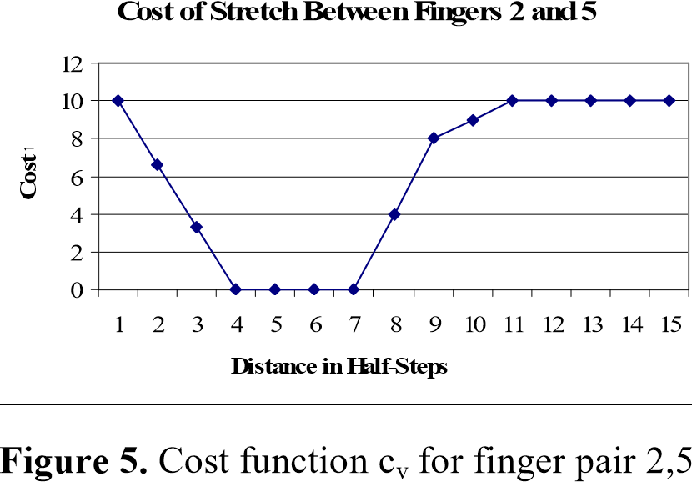
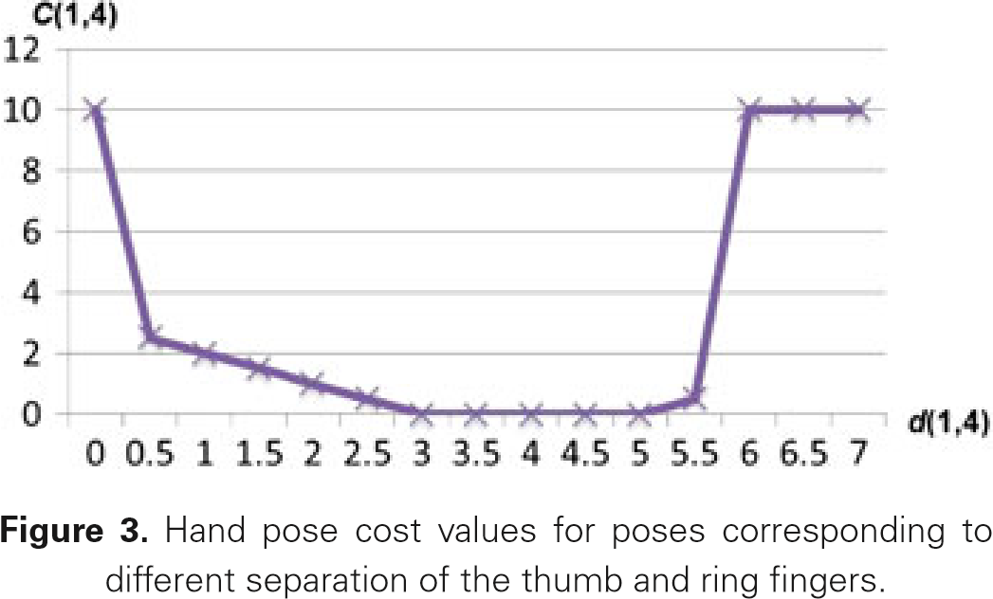

 | 2nd - 5th
-5 | 0
-4 | 0
-3 | 0
-2 | 0
-1 | 0
0 | 36
1 | 21
2 | 7
3 | 5
4 | 3
5 | 1
6 | 1
7 | 3
8 | 5
9 | 9
10 | 13
11 | 27
12 | 41
13 | 55
14 | 69
15 | 83
 | 1st - 4th
-5 | 40
-4 | 27
-3 | 14
-2 | 11
-1 | 8
0 | 7
1 | 5
2 | 4
3 | 3
4 | 2
5 | 1
6 | 1
7 | 1
8 | 1
9 | 1
10 | 2
11 | 3
12 | 4
13 | 7
14 | 10
15 | 23

Rules #1
http://www.diva-portal.org/smash/get/diva2:769592/FULLTEXT01.pdf
Page 9, Table 1 |  |  |  |  |  |  |  | Page 10
Fin |  | MinPrac | MaxPrac | MinRel | MaxRel | MinComf | MaxComf | Rule | Name | Points | Conditions
1 | 2 | -5 | 10 | 1 | 5 | -3 | 8 | 1 | Stretch | 2 | - | semitone interval beyond Comfort limit
1 | 3 | -4 | 12 | 3 | 7 | -2 | 10 | 2 | Small span | 1 | with thumb | semitone interval beyond Relaxed limit
1 | 4 | -3 | 14 | 5 | 9 | -1 | 12 |  |  | 2 | without
1 | 5 | -1 | 15 | 7 | 10 | 1 | 13 | 3 | Large span | 1 | --//--
2 | 3 | 1 | 5 | 1 | 2 | 1 | 3 |  |  | 2
2 | 4 | 1 | 7 | 3 | 4 | 1 | 5 | 4 | N/A | ? | require three sequential notes
2 | 5 | 2 | 10 | 5 | 6 | 2 | 8 | 5 |  | ?
3 | 4 | 1 | 4 | 1 | 2 | 1 | 2 | 6 | Weak finger | 1 | finger 4 or finger 5 is used
3 | 5 | 1 | 7 | 3 | 4 | 1 | 5 | 7 | N/A | ? | require three sequential notes
4 | 5 | 1 | 5 | 1 | 2 | 1 | 3 | 8 | Three-to-four | 1 | finger 3 is immediately followed by finger 4
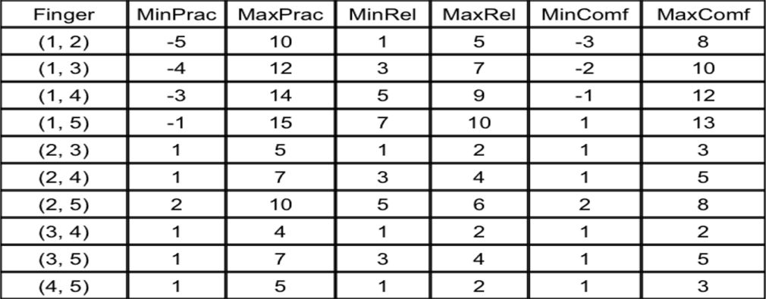
 |  |  |  |  |  |  |  | 9 | Four-on-black | 1 | finger 3 on white, and 4 on black, consecutively in any order
 |  |  |  |  |  |  |  | 10 | Thumb-on-black | 1 | thumb plays a black key
 |  |  |  |  |  |  |  |  |  | 2 | Additional (i.e. 1, 3 or 5) | immediately preceded by a white key
 |  |  |  |  |  |  |  |  |  | 2 |  | immediately followed by a white key
 |  |  |  |  |  |  |  | 11 | N/A | ? | require three sequential notes
 |  |  |  |  |  |  |  | 12 | Thumb-passing | 1 | thumb and finger crossed between notes of the same color
 |  |  |  |  |  |  |  |  |  | 3 | thumb on black, and on higher note (crossed again)

 |  |  |  |  |  |  |  | Note: rules 4, 5, 7 and 11 are not possible within the Hart et al algorithm

Lower white
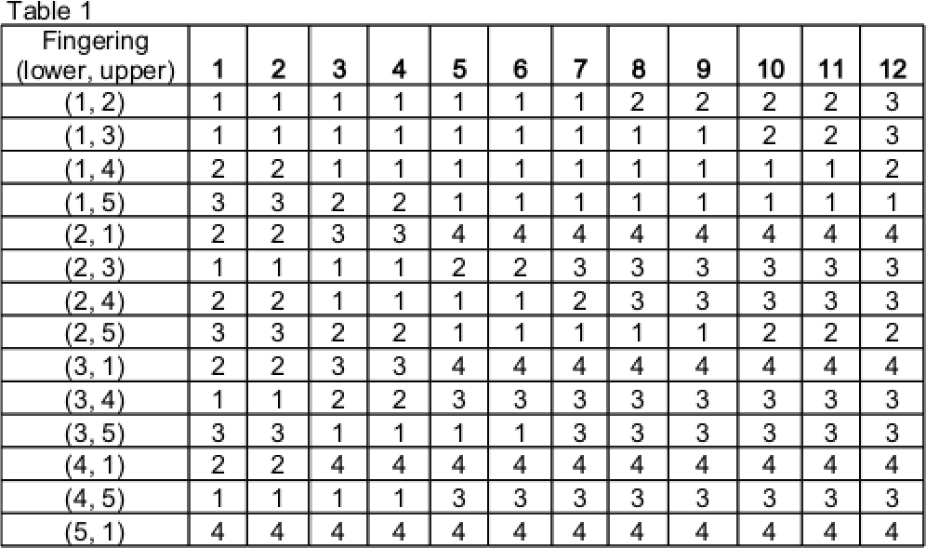
http://www.diva-portal.org/smash/get/diva2:769592/FULLTEXT01.pdf
Appendix
Page 23, Table 1 - both white |  |  |  |  |  |  |  |  |  |  |  |  |  | Page 24, Table 2 - white-black
Fin |  | 1 | 2 | 3 | 4 | 5 | 6 | 7 | 8 | 9 | 10 | 11 | 12 | Fin |  | 1 | 2 | 3 | 4 | 5 | 6 | 7 | 8 | 9 | 10 | 11 | 12
1 | 2 | 1 | 1 | 1 | 1 | 1 | 1 | 1 | 2 | 2 | 2 | 2 | 3 | 1 | 2 | 1 | 1 | 1 | 1 | 1 | 1 | 1 | 1 | 2 | 2 | 3 | x
1 | 3 | 1 | 1 | 1 | 1 | 1 | 1 | 1 | 1 | 1 | 2 | 2 | 3 | 1 | 3 | 1 | 1 | 1 | 1 | 1 | 1 | 1 | 1 | 1 | 1 | 2 | x
1 | 4 | 2 | 2 | 1 | 1 | 1 | 1 | 1 | 1 | 1 | 1 | 1 | 2 | 1 | 4 | 2 | 2 | 2 | 1 | 1 | 1 | 1 | 1 | 1 | 1 | 1 | x
1 | 5 | 3 | 3 | 2 | 2 | 1 | 1 | 1 | 1 | 1 | 1 | 1 | 1 | 1 | 5 | 3 | 3 | 3 | 2 | 2 | 2 | 1 | 1 | 1 | 1 | 1 | x
2 | 1 | 2 | 2 | 3 | 3 | 4 | 4 | 4 | 4 | 4 | 4 | 4 | 4 | 2 | 1 | 4 | 4 | 4 | 4 | 4 | 4 | 4 | 4 | 4 | 4 | 4 | x
2 | 3 | 1 | 1 | 1 | 1 | 2 | 2 | 3 | 3 | 3 | 3 | 3 | 3 | 2 | 3 | 1 | 1 | 1 | 2 | 2 | 3 | 3 | 3 | 3 | 3 | 3 | x
2 | 4 | 2 | 2 | 1 | 1 | 1 | 1 | 2 | 3 | 3 | 3 | 3 | 3 | 2 | 4 | 2 | 1 | 1 | 1 | 1 | 2 | 2 | 2 | 3 | 3 | 3 | x
2 | 5 | 3 | 3 | 2 | 2 | 1 | 1 | 1 | 1 | 1 | 2 | 2 | 2 | 2 | 5 | 3 | 2 | 2 | 2 | 2 | 1 | 1 | 1 | 2 | 2 | 3 | x
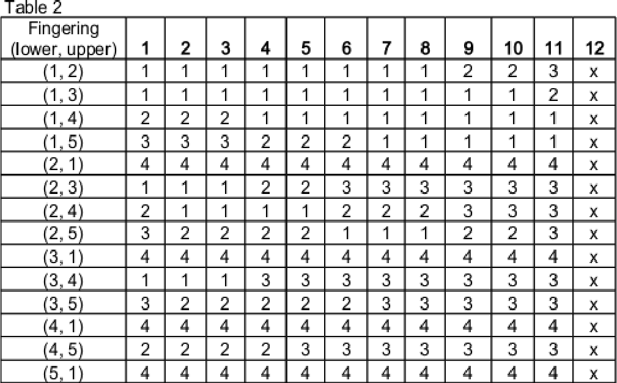
3 | 1 | 2 | 2 | 3 | 3 | 4 | 4 | 4 | 4 | 4 | 4 | 4 | 4 | 3 | 1 | 4 | 4 | 4 | 4 | 4 | 4 | 4 | 4 | 4 | 4 | 4 | x
3 | 4 | 1 | 1 | 2 | 2 | 3 | 3 | 3 | 3 | 3 | 3 | 3 | 3 | 3 | 4 | 1 | 1 | 1 | 3 | 3 | 3 | 3 | 3 | 3 | 3 | 3 | x
3 | 5 | 3 | 3 | 1 | 1 | 1 | 1 | 3 | 3 | 3 | 3 | 3 | 3 | 3 | 5 | 3 | 2 | 2 | 2 | 2 | 2 | 3 | 3 | 3 | 3 | 3 | x
4 | 1 | 2 | 2 | 4 | 4 | 4 | 4 | 4 | 4 | 4 | 4 | 4 | 4 | 4 | 1 | 4 | 4 | 4 | 4 | 4 | 4 | 4 | 4 | 4 | 4 | 4 | x
4 | 5 | 1 | 1 | 1 | 1 | 3 | 3 | 3 | 3 | 3 | 3 | 3 | 3 | 4 | 5 | 2 | 2 | 2 | 2 | 3 | 3 | 3 | 3 | 3 | 3 | 3 | x
5 | 1 | 4 | 4 | 4 | 4 | 4 | 4 | 4 | 4 | 4 | 4 | 4 | 4 | 5 | 1 | 4 | 4 | 4 | 4 | 4 | 4 | 4 | 4 | 4 | 4 | 4 | x

Lower black
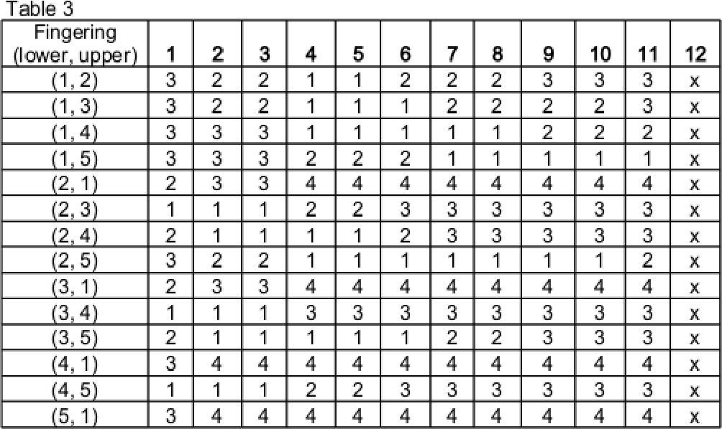
http://www.diva-portal.org/smash/get/diva2:769592/FULLTEXT01.pdf
Appendix
Page 24, Table 3 - black-white |  |  |  |  |  |  |  |  |  |  |  |  |  | Page 25, Table 4 - both black
Fin |  | 1 | 2 | 3 | 4 | 5 | 6 | 7 | 8 | 9 | 10 | 11 | 12 | Fin |  | 1 | 2 | 3 | 4 | 5 | 6 | 7 | 8 | 9 | 10 | 11 | 12
1 | 2 | 3 | 2 | 2 | 1 | 1 | 2 | 2 | 2 | 3 | 3 | 3 | x | 1 | 2 | x | 2 | 2 | 2 | 2 | x | 3 | 3 | 3 | 3 | x | 3
1 | 3 | 3 | 2 | 2 | 1 | 1 | 1 | 2 | 2 | 2 | 2 | 3 | x | 1 | 3 | x | 2 | 2 | 2 | 2 | x | 2 | 2 | 2 | 2 | x | 2
1 | 4 | 3 | 3 | 3 | 1 | 1 | 1 | 1 | 1 | 2 | 2 | 2 | x | 1 | 4 | x | 3 | 2 | 2 | 2 | x | 2 | 1 | 1 | 1 | x | 2
1 | 5 | 3 | 3 | 3 | 2 | 2 | 2 | 1 | 1 | 1 | 1 | 1 | x | 1 | 5 | x | 3 | 3 | 3 | 3 | x | 2 | 1 | 1 | 1 | x | 1
2 | 1 | 2 | 3 | 3 | 4 | 4 | 4 | 4 | 4 | 4 | 4 | 4 | x | 2 | 1 | x | 2 | 3 | 3 | 4 | x | 4 | 4 | 4 | 4 | x | 4
2 | 3 | 1 | 1 | 1 | 2 | 2 | 3 | 3 | 3 | 3 | 3 | 3 | x | 2 | 3 | x | 1 | 1 | 1 | 2 | x | 3 | 3 | 3 | 3 | x | 3
2 | 4 | 2 | 1 | 1 | 1 | 1 | 2 | 3 | 3 | 3 | 3 | 3 | x | 2 | 4 | x | 2 | 1 | 1 | 1 | x | 2 | 3 | 3 | 3 | x | 3
2 | 5 | 3 | 2 | 2 | 1 | 1 | 1 | 1 | 1 | 1 | 1 | 2 | x | 2 | 5 | x | 3 | 2 | 2 | 1 | x | 1 | 1 | 1 | 2 | x | 2
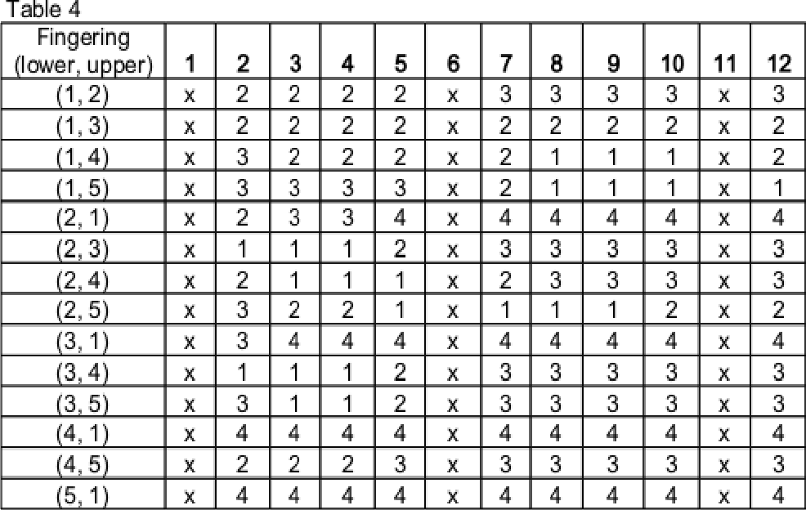
3 | 1 | 2 | 3 | 3 | 4 | 4 | 4 | 4 | 4 | 4 | 4 | 4 | x | 3 | 1 | x | 3 | 4 | 4 | 4 | x | 4 | 4 | 4 | 4 | x | 4
3 | 4 | 1 | 1 | 1 | 3 | 3 | 3 | 3 | 3 | 3 | 3 | 3 | x | 3 | 4 | x | 1 | 1 | 1 | 2 | x | 3 | 3 | 3 | 3 | x | 3
3 | 5 | 2 | 1 | 1 | 1 | 1 | 1 | 2 | 2 | 3 | 3 | 3 | x | 3 | 5 | x | 3 | 1 | 1 | 2 | x | 3 | 3 | 3 | 3 | x | 3
4 | 1 | 3 | 4 | 4 | 4 | 4 | 4 | 4 | 4 | 4 | 4 | 4 | x | 4 | 1 | x | 4 | 4 | 4 | 4 | x | 4 | 4 | 4 | 4 | x | 4
4 | 5 | 1 | 1 | 1 | 2 | 2 | 3 | 3 | 3 | 3 | 3 | 3 | x | 4 | 5 | x | 2 | 2 | 2 | 3 | x | 3 | 3 | 3 | 3 | x | 3
5 | 1 | 3 | 4 | 4 | 4 | 4 | 4 | 4 | 4 | 4 | 4 | 4 | x | 5 | 1 | x | 4 | 4 | 4 | 4 | x | 4 | 4 | 4 | 4 | x | 4

Rules #2 with imaginary blacks
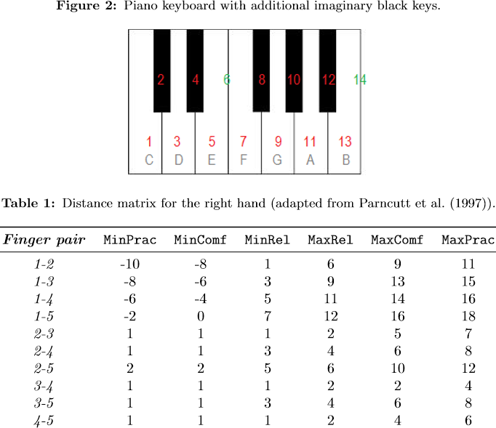
http://www.scriptiebank.be/sites/default/files/webform/scriptie/balliauw-matteo-2014_0.pdf
Page 14: | Page 16:
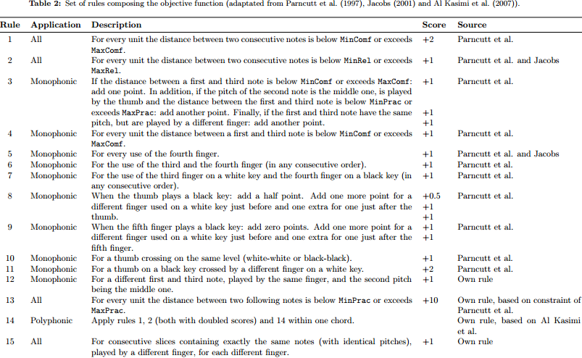

Page 15:

Rules #3
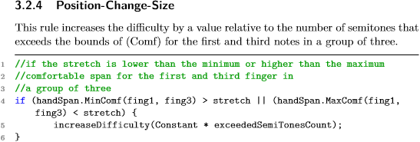
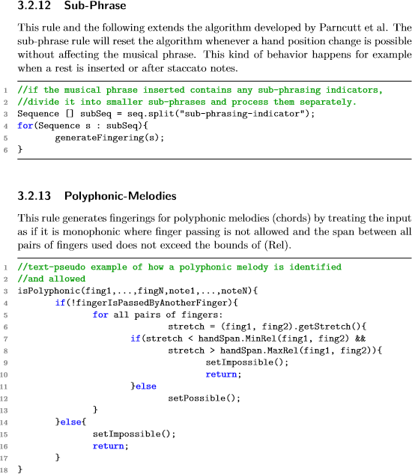
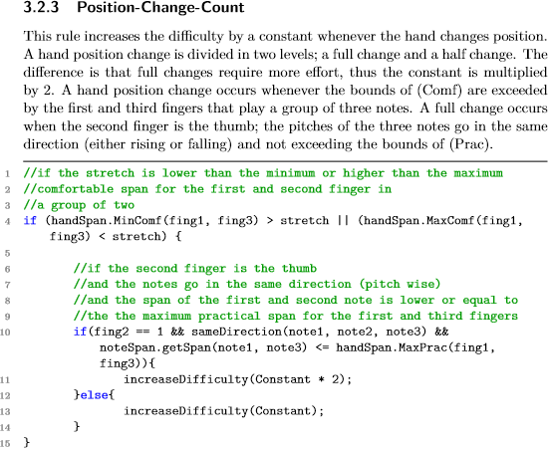
http://www.csc.kth.se/utbildning/kth/kurser/DD143X/dkand13/Group7Anders/final/Bassam.Alfarhan.David.Sandberg.report.pdf
Page 6
1 | Stretch | Differs | Points are not relative in Rules #1
2 | Span | Differs | Thumb is not included in Rules #2
3 | Position change count | Differs | Not implemented yet
4 | Position change size | --//-- | Not implemented yet
5 | Weak finger | Differs | Pinky finger does not exist in Rules #2
6 | Three-four-five | Differs | Not implemented yet
7 | Three-four | Differs | Order matters in Rules #3
8 | Four on black | --//--
9 | Thumb on black | Differs | Points differ twice
10 | Five on black | Differs | Does not exist in Rules #1
11 | Thumb passing | Differs | Points 2 or 3
12 | Sub-phrase | New? | Not implemented yet
13 | Polyphonic | New? | Not implemented yet

Mono-results (continued)
Rule 8: Four on black
Both White |  |  |  |  |  |  |  |  |  |  |  |  |  |  |  |  |  |  |  |  |  |  | Lower White - Higher Black |  |  |  |  |  |  |  |  |  |  |  |  |  |  |  |  |  |  |  |  |  |  | Lower Black - Higher White |  |  |  |  |  |  |  |  |  |  |  |  |  |  |  |  |  |  |  |  |  |  | Both Black
Fin |  | -5 | -4 | -3 | -2 | -1 | 0 | 1 | 2 | 3 | 4 | 5 | 6 | 7 | 8 | 9 | 10 | 11 | 12 | 13 | 14 | 15 | Fin |  | -5 | -4 | -3 | -2 | -1 | 0 | 1 | 2 | 3 | 4 | 5 | 6 | 7 | 8 | 9 | 10 | 11 | 12 | 13 | 14 | 15 | Fin |  | -5 | -4 | -3 | -2 | -1 | 0 | 1 | 2 | 3 | 4 | 5 | 6 | 7 | 8 | 9 | 10 | 11 | 12 | 13 | 14 | 15 | Fin |  | -5 | -4 | -3 | -2 | -1 | 0 | 1 | 2 | 3 | 4 | 5 | 6 | 7 | 8 | 9 | 10 | 11 | 12 | 13 | 14 | 15
1 | 2 | 0 | 0 | 0 | 0 | 0 | 0 | 0 | 0 | 0 | 0 | 0 | 0 | 0 | 0 | 0 | 0 | 0 | 0 | 0 | 0 | 0 | 1 | 2 | 0 | 0 | 0 | 0 | 0 | x | 0 | 0 | 0 | 0 | 0 | 0 | 0 | 0 | 0 | 0 | 0 | x | 0 | 0 | 0 | 1 | 2 | 0 | 0 | 0 | 0 | 0 | x | 0 | 0 | 0 | 0 | 0 | 0 | 0 | 0 | 0 | 0 | 0 | x | 0 | 0 | 0 | 1 | 2 | 0 | 0 | 0 | 0 | 0 | 0 | x | 0 | 0 | 0 | 0 | x | 0 | 0 | 0 | 0 | x | 0 | 0 | 0 | 0
1 | 3 | 0 | 0 | 0 | 0 | 0 | 0 | 0 | 0 | 0 | 0 | 0 | 0 | 0 | 0 | 0 | 0 | 0 | 0 | 0 | 0 | 0 | 1 | 3 | 0 | 0 | 0 | 0 | 0 | x | 0 | 0 | 0 | 0 | 0 | 0 | 0 | 0 | 0 | 0 | 0 | x | 0 | 0 | 0 | 1 | 3 | 0 | 0 | 0 | 0 | 0 | x | 0 | 0 | 0 | 0 | 0 | 0 | 0 | 0 | 0 | 0 | 0 | x | 0 | 0 | 0 | 1 | 3 | 0 | 0 | 0 | 0 | 0 | 0 | x | 0 | 0 | 0 | 0 | x | 0 | 0 | 0 | 0 | x | 0 | 0 | 0 | 0
1 | 4 | 0 | 0 | 0 | 0 | 0 | 0 | 0 | 0 | 0 | 0 | 0 | 0 | 0 | 0 | 0 | 0 | 0 | 0 | 0 | 0 | 0 | 1 | 4 | 0 | 0 | 0 | 0 | 0 | x | 0 | 0 | 0 | 0 | 0 | 0 | 0 | 0 | 0 | 0 | 0 | x | 0 | 0 | 0 | 1 | 4 | 0 | 0 | 0 | 0 | 0 | x | 0 | 0 | 0 | 0 | 0 | 0 | 0 | 0 | 0 | 0 | 0 | x | 0 | 0 | 0 | 1 | 4 | 0 | 0 | 0 | 0 | 0 | 0 | x | 0 | 0 | 0 | 0 | x | 0 | 0 | 0 | 0 | x | 0 | 0 | 0 | 0
1 | 5 | 0 | 0 | 0 | 0 | 0 | 0 | 0 | 0 | 0 | 0 | 0 | 0 | 0 | 0 | 0 | 0 | 0 | 0 | 0 | 0 | 0 | 1 | 5 | 0 | 0 | 0 | 0 | 0 | x | 0 | 0 | 0 | 0 | 0 | 0 | 0 | 0 | 0 | 0 | 0 | x | 0 | 0 | 0 | 1 | 5 | 0 | 0 | 0 | 0 | 0 | x | 0 | 0 | 0 | 0 | 0 | 0 | 0 | 0 | 0 | 0 | 0 | x | 0 | 0 | 0 | 1 | 5 | 0 | 0 | 0 | 0 | 0 | 0 | x | 0 | 0 | 0 | 0 | x | 0 | 0 | 0 | 0 | x | 0 | 0 | 0 | 0
2 | 3 | x | x | x | x | x | 0 | 0 | 0 | 0 | 0 | 0 | 0 | 0 | 0 | 0 | 0 | 0 | 0 | 0 | 0 | 0 | 2 | 3 | x | x | x | x | x | x | 0 | 0 | 0 | 0 | 0 | 0 | 0 | 0 | 0 | 0 | 0 | x | 0 | 0 | 0 | 2 | 3 | x | x | x | x | x | x | 0 | 0 | 0 | 0 | 0 | 0 | 0 | 0 | 0 | 0 | 0 | x | 0 | 0 | 0 | 2 | 3 | x | x | x | x | x | 0 | x | 0 | 0 | 0 | 0 | x | 0 | 0 | 0 | 0 | x | 0 | 0 | 0 | 0
2 | 4 | x | x | x | x | x | 0 | 0 | 0 | 0 | 0 | 0 | 0 | 0 | 0 | 0 | 0 | 0 | 0 | 0 | 0 | 0 | 2 | 4 | x | x | x | x | x | x | 0 | 0 | 0 | 0 | 0 | 0 | 0 | 0 | 0 | 0 | 0 | x | 0 | 0 | 0 | 2 | 4 | x | x | x | x | x | x | 0 | 0 | 0 | 0 | 0 | 0 | 0 | 0 | 0 | 0 | 0 | x | 0 | 0 | 0 | 2 | 4 | x | x | x | x | x | 0 | x | 0 | 0 | 0 | 0 | x | 0 | 0 | 0 | 0 | x | 0 | 0 | 0 | 0
2 | 5 | x | x | x | x | x | 0 | 0 | 0 | 0 | 0 | 0 | 0 | 0 | 0 | 0 | 0 | 0 | 0 | 0 | 0 | 0 | 2 | 5 | x | x | x | x | x | x | 0 | 0 | 0 | 0 | 0 | 0 | 0 | 0 | 0 | 0 | 0 | x | 0 | 0 | 0 | 2 | 5 | x | x | x | x | x | x | 0 | 0 | 0 | 0 | 0 | 0 | 0 | 0 | 0 | 0 | 0 | x | 0 | 0 | 0 | 2 | 5 | x | x | x | x | x | 0 | x | 0 | 0 | 0 | 0 | x | 0 | 0 | 0 | 0 | x | 0 | 0 | 0 | 0
3 | 4 | x | x | x | x | x | 0 | 0 | 0 | 0 | 0 | 0 | 0 | 0 | 0 | 0 | 0 | 0 | 0 | 0 | 0 | 0 | 3 | 4 | x | x | x | x | x | x | 1 | 1 | 1 | 1 | 1 | 1 | 1 | 1 | 1 | 1 | 1 | x | 1 | 1 | 1 | 3 | 4 | x | x | x | x | x | x | 0 | 0 | 0 | 0 | 0 | 0 | 0 | 0 | 0 | 0 | 0 | x | 0 | 0 | 0 | 3 | 4 | x | x | x | x | x | 0 | x | 0 | 0 | 0 | 0 | x | 0 | 0 | 0 | 0 | x | 0 | 0 | 0 | 0
3 | 5 | x | x | x | x | x | 0 | 0 | 0 | 0 | 0 | 0 | 0 | 0 | 0 | 0 | 0 | 0 | 0 | 0 | 0 | 0 | 3 | 5 | x | x | x | x | x | x | 0 | 0 | 0 | 0 | 0 | 0 | 0 | 0 | 0 | 0 | 0 | x | 0 | 0 | 0 | 3 | 5 | x | x | x | x | x | x | 0 | 0 | 0 | 0 | 0 | 0 | 0 | 0 | 0 | 0 | 0 | x | 0 | 0 | 0 | 3 | 5 | x | x | x | x | x | 0 | x | 0 | 0 | 0 | 0 | x | 0 | 0 | 0 | 0 | x | 0 | 0 | 0 | 0
4 | 5 | x | x | x | x | x | 0 | 0 | 0 | 0 | 0 | 0 | 0 | 0 | 0 | 0 | 0 | 0 | 0 | 0 | 0 | 0 | 4 | 5 | x | x | x | x | x | x | 0 | 0 | 0 | 0 | 0 | 0 | 0 | 0 | 0 | 0 | 0 | x | 0 | 0 | 0 | 4 | 5 | x | x | x | x | x | x | 0 | 0 | 0 | 0 | 0 | 0 | 0 | 0 | 0 | 0 | 0 | x | 0 | 0 | 0 | 4 | 5 | x | x | x | x | x | 0 | x | 0 | 0 | 0 | 0 | x | 0 | 0 | 0 | 0 | x | 0 | 0 | 0 | 0

Rule 9: Thumb on black
Both White |  |  |  |  |  |  |  |  |  |  |  |  |  |  |  |  |  |  |  |  |  |  | Lower White - Higher Black |  |  |  |  |  |  |  |  |  |  |  |  |  |  |  |  |  |  |  |  |  |  | Lower Black - Higher White |  |  |  |  |  |  |  |  |  |  |  |  |  |  |  |  |  |  |  |  |  |  | Both Black
Fin |  | -5 | -4 | -3 | -2 | -1 | 0 | 1 | 2 | 3 | 4 | 5 | 6 | 7 | 8 | 9 | 10 | 11 | 12 | 13 | 14 | 15 | Fin |  | -5 | -4 | -3 | -2 | -1 | 0 | 1 | 2 | 3 | 4 | 5 | 6 | 7 | 8 | 9 | 10 | 11 | 12 | 13 | 14 | 15 | Fin |  | -5 | -4 | -3 | -2 | -1 | 0 | 1 | 2 | 3 | 4 | 5 | 6 | 7 | 8 | 9 | 10 | 11 | 12 | 13 | 14 | 15 | Fin |  | -5 | -4 | -3 | -2 | -1 | 0 | 1 | 2 | 3 | 4 | 5 | 6 | 7 | 8 | 9 | 10 | 11 | 12 | 13 | 14 | 15
1 | 2 | 0 | 0 | 0 | 0 | 0 | 0 | 0 | 0 | 0 | 0 | 0 | 0 | 0 | 0 | 0 | 0 | 0 | 0 | 0 | 0 | 0 | 1 | 2 | 1.5 | 1.5 | 1.5 | 1.5 | 1.5 | x | 0 | 0 | 0 | 0 | 0 | 0 | 0 | 0 | 0 | 0 | 0 | x | 0 | 0 | 0 | 1 | 2 | 0 | 0 | 0 | 0 | 0 | x | 1.5 | 1.5 | 1.5 | 1.5 | 1.5 | 1.5 | 1.5 | 1.5 | 1.5 | 1.5 | 1.5 | x | 1.5 | 1.5 | 1.5 | 1 | 2 | 0.5 | 0.5 | 0.5 | 0.5 | 0.5 | 0.5 | x | 0.5 | 0.5 | 0.5 | 0.5 | x | 0.5 | 0.5 | 0.5 | 0.5 | x | 0.5 | 0.5 | 0.5 | 0.5
1 | 3 | 0 | 0 | 0 | 0 | 0 | 0 | 0 | 0 | 0 | 0 | 0 | 0 | 0 | 0 | 0 | 0 | 0 | 0 | 0 | 0 | 0 | 1 | 3 | 1.5 | 1.5 | 1.5 | 1.5 | 1.5 | x | 0 | 0 | 0 | 0 | 0 | 0 | 0 | 0 | 0 | 0 | 0 | x | 0 | 0 | 0 | 1 | 3 | 0 | 0 | 0 | 0 | 0 | x | 1.5 | 1.5 | 1.5 | 1.5 | 1.5 | 1.5 | 1.5 | 1.5 | 1.5 | 1.5 | 1.5 | x | 1.5 | 1.5 | 1.5 | 1 | 3 | 0.5 | 0.5 | 0.5 | 0.5 | 0.5 | 0.5 | x | 0.5 | 0.5 | 0.5 | 0.5 | x | 0.5 | 0.5 | 0.5 | 0.5 | x | 0.5 | 0.5 | 0.5 | 0.5
1 | 4 | 0 | 0 | 0 | 0 | 0 | 0 | 0 | 0 | 0 | 0 | 0 | 0 | 0 | 0 | 0 | 0 | 0 | 0 | 0 | 0 | 0 | 1 | 4 | 1.5 | 1.5 | 1.5 | 1.5 | 1.5 | x | 0 | 0 | 0 | 0 | 0 | 0 | 0 | 0 | 0 | 0 | 0 | x | 0 | 0 | 0 | 1 | 4 | 0 | 0 | 0 | 0 | 0 | x | 1.5 | 1.5 | 1.5 | 1.5 | 1.5 | 1.5 | 1.5 | 1.5 | 1.5 | 1.5 | 1.5 | x | 1.5 | 1.5 | 1.5 | 1 | 4 | 0.5 | 0.5 | 0.5 | 0.5 | 0.5 | 0.5 | x | 0.5 | 0.5 | 0.5 | 0.5 | x | 0.5 | 0.5 | 0.5 | 0.5 | x | 0.5 | 0.5 | 0.5 | 0.5
1 | 5 | 0 | 0 | 0 | 0 | 0 | 0 | 0 | 0 | 0 | 0 | 0 | 0 | 0 | 0 | 0 | 0 | 0 | 0 | 0 | 0 | 0 | 1 | 5 | 1.5 | 1.5 | 1.5 | 1.5 | 1.5 | x | 0 | 0 | 0 | 0 | 0 | 0 | 0 | 0 | 0 | 0 | 0 | x | 0 | 0 | 0 | 1 | 5 | 0 | 0 | 0 | 0 | 0 | x | 1.5 | 1.5 | 1.5 | 1.5 | 1.5 | 1.5 | 1.5 | 1.5 | 1.5 | 1.5 | 1.5 | x | 1.5 | 1.5 | 1.5 | 1 | 5 | 0.5 | 0.5 | 0.5 | 0.5 | 0.5 | 0.5 | x | 0.5 | 0.5 | 0.5 | 0.5 | x | 0.5 | 0.5 | 0.5 | 0.5 | x | 0.5 | 0.5 | 0.5 | 0.5
2 | 3 | x | x | x | x | x | 0 | 0 | 0 | 0 | 0 | 0 | 0 | 0 | 0 | 0 | 0 | 0 | 0 | 0 | 0 | 0 | 2 | 3 | x | x | x | x | x | x | 0 | 0 | 0 | 0 | 0 | 0 | 0 | 0 | 0 | 0 | 0 | x | 0 | 0 | 0 | 2 | 3 | x | x | x | x | x | x | 0 | 0 | 0 | 0 | 0 | 0 | 0 | 0 | 0 | 0 | 0 | x | 0 | 0 | 0 | 2 | 3 | x | x | x | x | x | 0 | x | 0 | 0 | 0 | 0 | x | 0 | 0 | 0 | 0 | x | 0 | 0 | 0 | 0
2 | 4 | x | x | x | x | x | 0 | 0 | 0 | 0 | 0 | 0 | 0 | 0 | 0 | 0 | 0 | 0 | 0 | 0 | 0 | 0 | 2 | 4 | x | x | x | x | x | x | 0 | 0 | 0 | 0 | 0 | 0 | 0 | 0 | 0 | 0 | 0 | x | 0 | 0 | 0 | 2 | 4 | x | x | x | x | x | x | 0 | 0 | 0 | 0 | 0 | 0 | 0 | 0 | 0 | 0 | 0 | x | 0 | 0 | 0 | 2 | 4 | x | x | x | x | x | 0 | x | 0 | 0 | 0 | 0 | x | 0 | 0 | 0 | 0 | x | 0 | 0 | 0 | 0
2 | 5 | x | x | x | x | x | 0 | 0 | 0 | 0 | 0 | 0 | 0 | 0 | 0 | 0 | 0 | 0 | 0 | 0 | 0 | 0 | 2 | 5 | x | x | x | x | x | x | 0 | 0 | 0 | 0 | 0 | 0 | 0 | 0 | 0 | 0 | 0 | x | 0 | 0 | 0 | 2 | 5 | x | x | x | x | x | x | 0 | 0 | 0 | 0 | 0 | 0 | 0 | 0 | 0 | 0 | 0 | x | 0 | 0 | 0 | 2 | 5 | x | x | x | x | x | 0 | x | 0 | 0 | 0 | 0 | x | 0 | 0 | 0 | 0 | x | 0 | 0 | 0 | 0
3 | 4 | x | x | x | x | x | 0 | 0 | 0 | 0 | 0 | 0 | 0 | 0 | 0 | 0 | 0 | 0 | 0 | 0 | 0 | 0 | 3 | 4 | x | x | x | x | x | x | 0 | 0 | 0 | 0 | 0 | 0 | 0 | 0 | 0 | 0 | 0 | x | 0 | 0 | 0 | 3 | 4 | x | x | x | x | x | x | 0 | 0 | 0 | 0 | 0 | 0 | 0 | 0 | 0 | 0 | 0 | x | 0 | 0 | 0 | 3 | 4 | x | x | x | x | x | 0 | x | 0 | 0 | 0 | 0 | x | 0 | 0 | 0 | 0 | x | 0 | 0 | 0 | 0
3 | 5 | x | x | x | x | x | 0 | 0 | 0 | 0 | 0 | 0 | 0 | 0 | 0 | 0 | 0 | 0 | 0 | 0 | 0 | 0 | 3 | 5 | x | x | x | x | x | x | 0 | 0 | 0 | 0 | 0 | 0 | 0 | 0 | 0 | 0 | 0 | x | 0 | 0 | 0 | 3 | 5 | x | x | x | x | x | x | 0 | 0 | 0 | 0 | 0 | 0 | 0 | 0 | 0 | 0 | 0 | x | 0 | 0 | 0 | 3 | 5 | x | x | x | x | x | 0 | x | 0 | 0 | 0 | 0 | x | 0 | 0 | 0 | 0 | x | 0 | 0 | 0 | 0
4 | 5 | x | x | x | x | x | 0 | 0 | 0 | 0 | 0 | 0 | 0 | 0 | 0 | 0 | 0 | 0 | 0 | 0 | 0 | 0 | 4 | 5 | x | x | x | x | x | x | 0 | 0 | 0 | 0 | 0 | 0 | 0 | 0 | 0 | 0 | 0 | x | 0 | 0 | 0 | 4 | 5 | x | x | x | x | x | x | 0 | 0 | 0 | 0 | 0 | 0 | 0 | 0 | 0 | 0 | 0 | x | 0 | 0 | 0 | 4 | 5 | x | x | x | x | x | 0 | x | 0 | 0 | 0 | 0 | x | 0 | 0 | 0 | 0 | x | 0 | 0 | 0 | 0

Rule 10: Pinky on black
Both White |  |  |  |  |  |  |  |  |  |  |  |  |  |  |  |  |  |  |  |  |  |  | Lower White - Higher Black |  |  |  |  |  |  |  |  |  |  |  |  |  |  |  |  |  |  |  |  |  |  | Lower Black - Higher White |  |  |  |  |  |  |  |  |  |  |  |  |  |  |  |  |  |  |  |  |  |  | Both Black
Fin |  | -5 | -4 | -3 | -2 | -1 | 0 | 1 | 2 | 3 | 4 | 5 | 6 | 7 | 8 | 9 | 10 | 11 | 12 | 13 | 14 | 15 | Fin |  | -5 | -4 | -3 | -2 | -1 | 0 | 1 | 2 | 3 | 4 | 5 | 6 | 7 | 8 | 9 | 10 | 11 | 12 | 13 | 14 | 15 | Fin |  | -5 | -4 | -3 | -2 | -1 | 0 | 1 | 2 | 3 | 4 | 5 | 6 | 7 | 8 | 9 | 10 | 11 | 12 | 13 | 14 | 15 | Fin |  | -5 | -4 | -3 | -2 | -1 | 0 | 1 | 2 | 3 | 4 | 5 | 6 | 7 | 8 | 9 | 10 | 11 | 12 | 13 | 14 | 15
1 | 2 | 0 | 0 | 0 | 0 | 0 | 0 | 0 | 0 | 0 | 0 | 0 | 0 | 0 | 0 | 0 | 0 | 0 | 0 | 0 | 0 | 0 | 1 | 2 | 0 | 0 | 0 | 0 | 0 | x | 0 | 0 | 0 | 0 | 0 | 0 | 0 | 0 | 0 | 0 | 0 | x | 0 | 0 | 0 | 1 | 2 | 0 | 0 | 0 | 0 | 0 | x | 0 | 0 | 0 | 0 | 0 | 0 | 0 | 0 | 0 | 0 | 0 | x | 0 | 0 | 0 | 1 | 2 | 0 | 0 | 0 | 0 | 0 | 0 | x | 0 | 0 | 0 | 0 | x | 0 | 0 | 0 | 0 | x | 0 | 0 | 0 | 0
1 | 3 | 0 | 0 | 0 | 0 | 0 | 0 | 0 | 0 | 0 | 0 | 0 | 0 | 0 | 0 | 0 | 0 | 0 | 0 | 0 | 0 | 0 | 1 | 3 | 0 | 0 | 0 | 0 | 0 | x | 0 | 0 | 0 | 0 | 0 | 0 | 0 | 0 | 0 | 0 | 0 | x | 0 | 0 | 0 | 1 | 3 | 0 | 0 | 0 | 0 | 0 | x | 0 | 0 | 0 | 0 | 0 | 0 | 0 | 0 | 0 | 0 | 0 | x | 0 | 0 | 0 | 1 | 3 | 0 | 0 | 0 | 0 | 0 | 0 | x | 0 | 0 | 0 | 0 | x | 0 | 0 | 0 | 0 | x | 0 | 0 | 0 | 0
1 | 4 | 0 | 0 | 0 | 0 | 0 | 0 | 0 | 0 | 0 | 0 | 0 | 0 | 0 | 0 | 0 | 0 | 0 | 0 | 0 | 0 | 0 | 1 | 4 | 0 | 0 | 0 | 0 | 0 | x | 0 | 0 | 0 | 0 | 0 | 0 | 0 | 0 | 0 | 0 | 0 | x | 0 | 0 | 0 | 1 | 4 | 0 | 0 | 0 | 0 | 0 | x | 0 | 0 | 0 | 0 | 0 | 0 | 0 | 0 | 0 | 0 | 0 | x | 0 | 0 | 0 | 1 | 4 | 0 | 0 | 0 | 0 | 0 | 0 | x | 0 | 0 | 0 | 0 | x | 0 | 0 | 0 | 0 | x | 0 | 0 | 0 | 0
1 | 5 | 0 | 0 | 0 | 0 | 0 | 0 | 0 | 0 | 0 | 0 | 0 | 0 | 0 | 0 | 0 | 0 | 0 | 0 | 0 | 0 | 0 | 1 | 5 | 0 | 0 | 0 | 0 | 0 | x | 1 | 1 | 1 | 1 | 1 | 1 | 1 | 1 | 1 | 1 | 1 | x | 1 | 1 | 1 | 1 | 5 | 1 | 1 | 1 | 1 | 1 | x | 0 | 0 | 0 | 0 | 0 | 0 | 0 | 0 | 0 | 0 | 0 | x | 0 | 0 | 0 | 1 | 5 | 0 | 0 | 0 | 0 | 0 | 0 | x | 0 | 0 | 0 | 0 | x | 0 | 0 | 0 | 0 | x | 0 | 0 | 0 | 0
2 | 3 | x | x | x | x | x | 0 | 0 | 0 | 0 | 0 | 0 | 0 | 0 | 0 | 0 | 0 | 0 | 0 | 0 | 0 | 0 | 2 | 3 | x | x | x | x | x | x | 0 | 0 | 0 | 0 | 0 | 0 | 0 | 0 | 0 | 0 | 0 | x | 0 | 0 | 0 | 2 | 3 | x | x | x | x | x | x | 0 | 0 | 0 | 0 | 0 | 0 | 0 | 0 | 0 | 0 | 0 | x | 0 | 0 | 0 | 2 | 3 | x | x | x | x | x | 0 | x | 0 | 0 | 0 | 0 | x | 0 | 0 | 0 | 0 | x | 0 | 0 | 0 | 0
2 | 4 | x | x | x | x | x | 0 | 0 | 0 | 0 | 0 | 0 | 0 | 0 | 0 | 0 | 0 | 0 | 0 | 0 | 0 | 0 | 2 | 4 | x | x | x | x | x | x | 0 | 0 | 0 | 0 | 0 | 0 | 0 | 0 | 0 | 0 | 0 | x | 0 | 0 | 0 | 2 | 4 | x | x | x | x | x | x | 0 | 0 | 0 | 0 | 0 | 0 | 0 | 0 | 0 | 0 | 0 | x | 0 | 0 | 0 | 2 | 4 | x | x | x | x | x | 0 | x | 0 | 0 | 0 | 0 | x | 0 | 0 | 0 | 0 | x | 0 | 0 | 0 | 0
2 | 5 | x | x | x | x | x | 0 | 0 | 0 | 0 | 0 | 0 | 0 | 0 | 0 | 0 | 0 | 0 | 0 | 0 | 0 | 0 | 2 | 5 | x | x | x | x | x | x | 1 | 1 | 1 | 1 | 1 | 1 | 1 | 1 | 1 | 1 | 1 | x | 1 | 1 | 1 | 2 | 5 | x | x | x | x | x | x | 0 | 0 | 0 | 0 | 0 | 0 | 0 | 0 | 0 | 0 | 0 | x | 0 | 0 | 0 | 2 | 5 | x | x | x | x | x | 0 | x | 0 | 0 | 0 | 0 | x | 0 | 0 | 0 | 0 | x | 0 | 0 | 0 | 0
3 | 4 | x | x | x | x | x | 0 | 0 | 0 | 0 | 0 | 0 | 0 | 0 | 0 | 0 | 0 | 0 | 0 | 0 | 0 | 0 | 3 | 4 | x | x | x | x | x | x | 0 | 0 | 0 | 0 | 0 | 0 | 0 | 0 | 0 | 0 | 0 | x | 0 | 0 | 0 | 3 | 4 | x | x | x | x | x | x | 0 | 0 | 0 | 0 | 0 | 0 | 0 | 0 | 0 | 0 | 0 | x | 0 | 0 | 0 | 3 | 4 | x | x | x | x | x | 0 | x | 0 | 0 | 0 | 0 | x | 0 | 0 | 0 | 0 | x | 0 | 0 | 0 | 0
3 | 5 | x | x | x | x | x | 0 | 0 | 0 | 0 | 0 | 0 | 0 | 0 | 0 | 0 | 0 | 0 | 0 | 0 | 0 | 0 | 3 | 5 | x | x | x | x | x | x | 1 | 1 | 1 | 1 | 1 | 1 | 1 | 1 | 1 | 1 | 1 | x | 1 | 1 | 1 | 3 | 5 | x | x | x | x | x | x | 0 | 0 | 0 | 0 | 0 | 0 | 0 | 0 | 0 | 0 | 0 | x | 0 | 0 | 0 | 3 | 5 | x | x | x | x | x | 0 | x | 0 | 0 | 0 | 0 | x | 0 | 0 | 0 | 0 | x | 0 | 0 | 0 | 0
4 | 5 | x | x | x | x | x | 0 | 0 | 0 | 0 | 0 | 0 | 0 | 0 | 0 | 0 | 0 | 0 | 0 | 0 | 0 | 0 | 4 | 5 | x | x | x | x | x | x | 1 | 1 | 1 | 1 | 1 | 1 | 1 | 1 | 1 | 1 | 1 | x | 1 | 1 | 1 | 4 | 5 | x | x | x | x | x | x | 0 | 0 | 0 | 0 | 0 | 0 | 0 | 0 | 0 | 0 | 0 | x | 0 | 0 | 0 | 4 | 5 | x | x | x | x | x | 0 | x | 0 | 0 | 0 | 0 | x | 0 | 0 | 0 | 0 | x | 0 | 0 | 0 | 0

Rule 8: Thumb crossing
Both White |  |  |  |  |  |  |  |  |  |  |  |  |  |  |  |  |  |  |  |  |  |  | Lower White - Higher Black |  |  |  |  |  |  |  |  |  |  |  |  |  |  |  |  |  |  |  |  |  |  | Lower Black - Higher White |  |  |  |  |  |  |  |  |  |  |  |  |  |  |  |  |  |  |  |  |  |  | Both Black
Fin |  | -5 | -4 | -3 | -2 | -1 | 0 | 1 | 2 | 3 | 4 | 5 | 6 | 7 | 8 | 9 | 10 | 11 | 12 | 13 | 14 | 15 | Fin |  | -5 | -4 | -3 | -2 | -1 | 0 | 1 | 2 | 3 | 4 | 5 | 6 | 7 | 8 | 9 | 10 | 11 | 12 | 13 | 14 | 15 | Fin |  | -5 | -4 | -3 | -2 | -1 | 0 | 1 | 2 | 3 | 4 | 5 | 6 | 7 | 8 | 9 | 10 | 11 | 12 | 13 | 14 | 15 | Fin |  | -5 | -4 | -3 | -2 | -1 | 0 | 1 | 2 | 3 | 4 | 5 | 6 | 7 | 8 | 9 | 10 | 11 | 12 | 13 | 14 | 15
1 | 2 | 1 | 1 | 1 | 1 | 1 | 0 | 0 | 0 | 0 | 0 | 0 | 0 | 0 | 0 | 0 | 0 | 0 | 0 | 0 | 0 | 0 | 1 | 2 | 2 | 2 | 2 | 2 | 2 | x | 0 | 0 | 0 | 0 | 0 | 0 | 0 | 0 | 0 | 0 | 0 | x | 0 | 0 | 0 | 1 | 2 | 0 | 0 | 0 | 0 | 0 | x | 0 | 0 | 0 | 0 | 0 | 0 | 0 | 0 | 0 | 0 | 0 | x | 0 | 0 | 0 | 1 | 2 | 1 | 1 | 1 | 1 | 1 | 0 | x | 0 | 0 | 0 | 0 | x | 0 | 0 | 0 | 0 | x | 0 | 0 | 0 | 0
1 | 3 | 1 | 1 | 1 | 1 | 1 | 0 | 0 | 0 | 0 | 0 | 0 | 0 | 0 | 0 | 0 | 0 | 0 | 0 | 0 | 0 | 0 | 1 | 3 | 2 | 2 | 2 | 2 | 2 | x | 0 | 0 | 0 | 0 | 0 | 0 | 0 | 0 | 0 | 0 | 0 | x | 0 | 0 | 0 | 1 | 3 | 0 | 0 | 0 | 0 | 0 | x | 0 | 0 | 0 | 0 | 0 | 0 | 0 | 0 | 0 | 0 | 0 | x | 0 | 0 | 0 | 1 | 3 | 1 | 1 | 1 | 1 | 1 | 0 | x | 0 | 0 | 0 | 0 | x | 0 | 0 | 0 | 0 | x | 0 | 0 | 0 | 0
1 | 4 | 1 | 1 | 1 | 1 | 1 | 0 | 0 | 0 | 0 | 0 | 0 | 0 | 0 | 0 | 0 | 0 | 0 | 0 | 0 | 0 | 0 | 1 | 4 | 2 | 2 | 2 | 2 | 2 | x | 0 | 0 | 0 | 0 | 0 | 0 | 0 | 0 | 0 | 0 | 0 | x | 0 | 0 | 0 | 1 | 4 | 0 | 0 | 0 | 0 | 0 | x | 0 | 0 | 0 | 0 | 0 | 0 | 0 | 0 | 0 | 0 | 0 | x | 0 | 0 | 0 | 1 | 4 | 1 | 1 | 1 | 1 | 1 | 0 | x | 0 | 0 | 0 | 0 | x | 0 | 0 | 0 | 0 | x | 0 | 0 | 0 | 0
1 | 5 | 1 | 1 | 1 | 1 | 1 | 0 | 0 | 0 | 0 | 0 | 0 | 0 | 0 | 0 | 0 | 0 | 0 | 0 | 0 | 0 | 0 | 1 | 5 | 2 | 2 | 2 | 2 | 2 | x | 0 | 0 | 0 | 0 | 0 | 0 | 0 | 0 | 0 | 0 | 0 | x | 0 | 0 | 0 | 1 | 5 | 0 | 0 | 0 | 0 | 0 | x | 0 | 0 | 0 | 0 | 0 | 0 | 0 | 0 | 0 | 0 | 0 | x | 0 | 0 | 0 | 1 | 5 | 1 | 1 | 1 | 1 | 1 | 0 | x | 0 | 0 | 0 | 0 | x | 0 | 0 | 0 | 0 | x | 0 | 0 | 0 | 0
2 | 3 | x | x | x | x | x | 0 | 0 | 0 | 0 | 0 | 0 | 0 | 0 | 0 | 0 | 0 | 0 | 0 | 0 | 0 | 0 | 2 | 3 | x | x | x | x | x | x | 0 | 0 | 0 | 0 | 0 | 0 | 0 | 0 | 0 | 0 | 0 | x | 0 | 0 | 0 | 2 | 3 | x | x | x | x | x | x | 0 | 0 | 0 | 0 | 0 | 0 | 0 | 0 | 0 | 0 | 0 | x | 0 | 0 | 0 | 2 | 3 | x | x | x | x | x | 0 | x | 0 | 0 | 0 | 0 | x | 0 | 0 | 0 | 0 | x | 0 | 0 | 0 | 0
2 | 4 | x | x | x | x | x | 0 | 0 | 0 | 0 | 0 | 0 | 0 | 0 | 0 | 0 | 0 | 0 | 0 | 0 | 0 | 0 | 2 | 4 | x | x | x | x | x | x | 0 | 0 | 0 | 0 | 0 | 0 | 0 | 0 | 0 | 0 | 0 | x | 0 | 0 | 0 | 2 | 4 | x | x | x | x | x | x | 0 | 0 | 0 | 0 | 0 | 0 | 0 | 0 | 0 | 0 | 0 | x | 0 | 0 | 0 | 2 | 4 | x | x | x | x | x | 0 | x | 0 | 0 | 0 | 0 | x | 0 | 0 | 0 | 0 | x | 0 | 0 | 0 | 0
2 | 5 | x | x | x | x | x | 0 | 0 | 0 | 0 | 0 | 0 | 0 | 0 | 0 | 0 | 0 | 0 | 0 | 0 | 0 | 0 | 2 | 5 | x | x | x | x | x | x | 0 | 0 | 0 | 0 | 0 | 0 | 0 | 0 | 0 | 0 | 0 | x | 0 | 0 | 0 | 2 | 5 | x | x | x | x | x | x | 0 | 0 | 0 | 0 | 0 | 0 | 0 | 0 | 0 | 0 | 0 | x | 0 | 0 | 0 | 2 | 5 | x | x | x | x | x | 0 | x | 0 | 0 | 0 | 0 | x | 0 | 0 | 0 | 0 | x | 0 | 0 | 0 | 0
3 | 4 | x | x | x | x | x | 0 | 0 | 0 | 0 | 0 | 0 | 0 | 0 | 0 | 0 | 0 | 0 | 0 | 0 | 0 | 0 | 3 | 4 | x | x | x | x | x | x | 0 | 0 | 0 | 0 | 0 | 0 | 0 | 0 | 0 | 0 | 0 | x | 0 | 0 | 0 | 3 | 4 | x | x | x | x | x | x | 0 | 0 | 0 | 0 | 0 | 0 | 0 | 0 | 0 | 0 | 0 | x | 0 | 0 | 0 | 3 | 4 | x | x | x | x | x | 0 | x | 0 | 0 | 0 | 0 | x | 0 | 0 | 0 | 0 | x | 0 | 0 | 0 | 0
3 | 5 | x | x | x | x | x | 0 | 0 | 0 | 0 | 0 | 0 | 0 | 0 | 0 | 0 | 0 | 0 | 0 | 0 | 0 | 0 | 3 | 5 | x | x | x | x | x | x | 0 | 0 | 0 | 0 | 0 | 0 | 0 | 0 | 0 | 0 | 0 | x | 0 | 0 | 0 | 3 | 5 | x | x | x | x | x | x | 0 | 0 | 0 | 0 | 0 | 0 | 0 | 0 | 0 | 0 | 0 | x | 0 | 0 | 0 | 3 | 5 | x | x | x | x | x | 0 | x | 0 | 0 | 0 | 0 | x | 0 | 0 | 0 | 0 | x | 0 | 0 | 0 | 0
4 | 5 | x | x | x | x | x | 0 | 0 | 0 | 0 | 0 | 0 | 0 | 0 | 0 | 0 | 0 | 0 | 0 | 0 | 0 | 0 | 4 | 5 | x | x | x | x | x | x | 0 | 0 | 0 | 0 | 0 | 0 | 0 | 0 | 0 | 0 | 0 | x | 0 | 0 | 0 | 4 | 5 | x | x | x | x | x | x | 0 | 0 | 0 | 0 | 0 | 0 | 0 | 0 | 0 | 0 | 0 | x | 0 | 0 | 0 | 4 | 5 | x | x | x | x | x | 0 | x | 0 | 0 | 0 | 0 | x | 0 | 0 | 0 | 0 | x | 0 | 0 | 0 | 0

Mono-Sum
Both White |  |  |  |  |  |  |  |  |  |  |  |  |  |  |  |  |  |  |  |  |  |  | Lower White - Higher Black |  |  |  |  |  |  |  |  |  |  |  |  |  |  |  |  |  |  |  |  |  |  | Lower Black - Higher White |  |  |  |  |  |  |  |  |  |  |  |  |  |  |  |  |  |  |  |  |  |  | Both Black
Fin |  | -5 | -4 | -3 | -2 | -1 | 0 | 1 | 2 | 3 | 4 | 5 | 6 | 7 | 8 | 9 | 10 | 11 | 12 | 13 | 14 | 15 | Fin |  | -5 | -4 | -3 | -2 | -1 | 0 | 1 | 2 | 3 | 4 | 5 | 6 | 7 | 8 | 9 | 10 | 11 | 12 | 13 | 14 | 15 | Fin |  | -5 | -4 | -3 | -2 | -1 | 0 | 1 | 2 | 3 | 4 | 5 | 6 | 7 | 8 | 9 | 10 | 11 | 12 | 13 | 14 | 15 | Fin |  | -5 | -4 | -3 | -2 | -1 | 0 | 1 | 2 | 3 | 4 | 5 | 6 | 7 | 8 | 9 | 10 | 11 | 12 | 13 | 14 | 15
1 | 2 | 1 | 1 | 1 | 1 | 1 | 0 | 0 | 0 | 0 | 0 | 0 | 0 | 0 | 0 | 0 | 0 | 0 | 0 | 0 | 0 | 0 | 1 | 2 | 3.5 | 3.5 | 3.5 | 3.5 | 3.5 | x | 0 | 0 | 0 | 0 | 0 | 0 | 0 | 0 | 0 | 0 | 0 | x | 0 | 0 | 0 | 1 | 2 | 0 | 0 | 0 | 0 | 0 | x | 1.5 | 1.5 | 1.5 | 1.5 | 1.5 | 1.5 | 1.5 | 1.5 | 1.5 | 1.5 | 1.5 | x | 1.5 | 1.5 | 1.5 | 1 | 2 | 1.5 | 1.5 | 1.5 | 1.5 | 1.5 | 0.5 | x | 0.5 | 0.5 | 0.5 | 0.5 | x | 0.5 | 0.5 | 0.5 | 0.5 | x | 0.5 | 0.5 | 0.5 | 0.5
1 | 3 | 1 | 1 | 1 | 1 | 1 | 0 | 0 | 0 | 0 | 0 | 0 | 0 | 0 | 0 | 0 | 0 | 0 | 0 | 0 | 0 | 0 | 1 | 3 | 3.5 | 3.5 | 3.5 | 3.5 | 3.5 | x | 0 | 0 | 0 | 0 | 0 | 0 | 0 | 0 | 0 | 0 | 0 | x | 0 | 0 | 0 | 1 | 3 | 0 | 0 | 0 | 0 | 0 | x | 1.5 | 1.5 | 1.5 | 1.5 | 1.5 | 1.5 | 1.5 | 1.5 | 1.5 | 1.5 | 1.5 | x | 1.5 | 1.5 | 1.5 | 1 | 3 | 1.5 | 1.5 | 1.5 | 1.5 | 1.5 | 0.5 | x | 0.5 | 0.5 | 0.5 | 0.5 | x | 0.5 | 0.5 | 0.5 | 0.5 | x | 0.5 | 0.5 | 0.5 | 0.5
1 | 4 | 1 | 1 | 1 | 1 | 1 | 0 | 0 | 0 | 0 | 0 | 0 | 0 | 0 | 0 | 0 | 0 | 0 | 0 | 0 | 0 | 0 | 1 | 4 | 3.5 | 3.5 | 3.5 | 3.5 | 3.5 | x | 0 | 0 | 0 | 0 | 0 | 0 | 0 | 0 | 0 | 0 | 0 | x | 0 | 0 | 0 | 1 | 4 | 0 | 0 | 0 | 0 | 0 | x | 1.5 | 1.5 | 1.5 | 1.5 | 1.5 | 1.5 | 1.5 | 1.5 | 1.5 | 1.5 | 1.5 | x | 1.5 | 1.5 | 1.5 | 1 | 4 | 1.5 | 1.5 | 1.5 | 1.5 | 1.5 | 0.5 | x | 0.5 | 0.5 | 0.5 | 0.5 | x | 0.5 | 0.5 | 0.5 | 0.5 | x | 0.5 | 0.5 | 0.5 | 0.5
1 | 5 | 1 | 1 | 1 | 1 | 1 | 0 | 0 | 0 | 0 | 0 | 0 | 0 | 0 | 0 | 0 | 0 | 0 | 0 | 0 | 0 | 0 | 1 | 5 | 3.5 | 3.5 | 3.5 | 3.5 | 3.5 | x | 1 | 1 | 1 | 1 | 1 | 1 | 1 | 1 | 1 | 1 | 1 | x | 1 | 1 | 1 | 1 | 5 | 1 | 1 | 1 | 1 | 1 | x | 1.5 | 1.5 | 1.5 | 1.5 | 1.5 | 1.5 | 1.5 | 1.5 | 1.5 | 1.5 | 1.5 | x | 1.5 | 1.5 | 1.5 | 1 | 5 | 1.5 | 1.5 | 1.5 | 1.5 | 1.5 | 0.5 | x | 0.5 | 0.5 | 0.5 | 0.5 | x | 0.5 | 0.5 | 0.5 | 0.5 | x | 0.5 | 0.5 | 0.5 | 0.5
2 | 3 | x | x | x | x | x | 0 | 0 | 0 | 0 | 0 | 0 | 0 | 0 | 0 | 0 | 0 | 0 | 0 | 0 | 0 | 0 | 2 | 3 | x | x | x | x | x | x | 0 | 0 | 0 | 0 | 0 | 0 | 0 | 0 | 0 | 0 | 0 | x | 0 | 0 | 0 | 2 | 3 | x | x | x | x | x | x | 0 | 0 | 0 | 0 | 0 | 0 | 0 | 0 | 0 | 0 | 0 | x | 0 | 0 | 0 | 2 | 3 | x | x | x | x | x | 0 | x | 0 | 0 | 0 | 0 | x | 0 | 0 | 0 | 0 | x | 0 | 0 | 0 | 0
2 | 4 | x | x | x | x | x | 0 | 0 | 0 | 0 | 0 | 0 | 0 | 0 | 0 | 0 | 0 | 0 | 0 | 0 | 0 | 0 | 2 | 4 | x | x | x | x | x | x | 0 | 0 | 0 | 0 | 0 | 0 | 0 | 0 | 0 | 0 | 0 | x | 0 | 0 | 0 | 2 | 4 | x | x | x | x | x | x | 0 | 0 | 0 | 0 | 0 | 0 | 0 | 0 | 0 | 0 | 0 | x | 0 | 0 | 0 | 2 | 4 | x | x | x | x | x | 0 | x | 0 | 0 | 0 | 0 | x | 0 | 0 | 0 | 0 | x | 0 | 0 | 0 | 0
2 | 5 | x | x | x | x | x | 0 | 0 | 0 | 0 | 0 | 0 | 0 | 0 | 0 | 0 | 0 | 0 | 0 | 0 | 0 | 0 | 2 | 5 | x | x | x | x | x | x | 1 | 1 | 1 | 1 | 1 | 1 | 1 | 1 | 1 | 1 | 1 | x | 1 | 1 | 1 | 2 | 5 | x | x | x | x | x | x | 0 | 0 | 0 | 0 | 0 | 0 | 0 | 0 | 0 | 0 | 0 | x | 0 | 0 | 0 | 2 | 5 | x | x | x | x | x | 0 | x | 0 | 0 | 0 | 0 | x | 0 | 0 | 0 | 0 | x | 0 | 0 | 0 | 0
3 | 4 | x | x | x | x | x | 0 | 0 | 0 | 0 | 0 | 0 | 0 | 0 | 0 | 0 | 0 | 0 | 0 | 0 | 0 | 0 | 3 | 4 | x | x | x | x | x | x | 1 | 1 | 1 | 1 | 1 | 1 | 1 | 1 | 1 | 1 | 1 | x | 1 | 1 | 1 | 3 | 4 | x | x | x | x | x | x | 0 | 0 | 0 | 0 | 0 | 0 | 0 | 0 | 0 | 0 | 0 | x | 0 | 0 | 0 | 3 | 4 | x | x | x | x | x | 0 | x | 0 | 0 | 0 | 0 | x | 0 | 0 | 0 | 0 | x | 0 | 0 | 0 | 0
3 | 5 | x | x | x | x | x | 0 | 0 | 0 | 0 | 0 | 0 | 0 | 0 | 0 | 0 | 0 | 0 | 0 | 0 | 0 | 0 | 3 | 5 | x | x | x | x | x | x | 1 | 1 | 1 | 1 | 1 | 1 | 1 | 1 | 1 | 1 | 1 | x | 1 | 1 | 1 | 3 | 5 | x | x | x | x | x | x | 0 | 0 | 0 | 0 | 0 | 0 | 0 | 0 | 0 | 0 | 0 | x | 0 | 0 | 0 | 3 | 5 | x | x | x | x | x | 0 | x | 0 | 0 | 0 | 0 | x | 0 | 0 | 0 | 0 | x | 0 | 0 | 0 | 0
4 | 5 | x | x | x | x | x | 0 | 0 | 0 | 0 | 0 | 0 | 0 | 0 | 0 | 0 | 0 | 0 | 0 | 0 | 0 | 0 | 4 | 5 | x | x | x | x | x | x | 1 | 1 | 1 | 1 | 1 | 1 | 1 | 1 | 1 | 1 | 1 | x | 1 | 1 | 1 | 4 | 5 | x | x | x | x | x | x | 0 | 0 | 0 | 0 | 0 | 0 | 0 | 0 | 0 | 0 | 0 | x | 0 | 0 | 0 | 4 | 5 | x | x | x | x | x | 0 | x | 0 | 0 | 0 | 0 | x | 0 | 0 | 0 | 0 | x | 0 | 0 | 0 | 0

Full Mono-Sum
Both White |  |  |  |  |  |  |  |  |  |  |  |  |  |  |  |  |  |  |  |  |  |  | Lower White - Higher Black |  |  |  |  |  |  |  |  |  |  |  |  |  |  |  |  |  |  |  |  |  |  | Lower Black - Higher White |  |  |  |  |  |  |  |  |  |  |  |  |  |  |  |  |  |  |  |  |  |  | Both Black
Fin |  | -5 | -4 | -3 | -2 | -1 | 0 | 1 | 2 | 3 | 4 | 5 | 6 | 7 | 8 | 9 | 10 | 11 | 12 | 13 | 14 | 15 | Fin |  | -5 | -4 | -3 | -2 | -1 | 0 | 1 | 2 | 3 | 4 | 5 | 6 | 7 | 8 | 9 | 10 | 11 | 12 | 13 | 14 | 15 | Fin |  | -5 | -4 | -3 | -2 | -1 | 0 | 1 | 2 | 3 | 4 | 5 | 6 | 7 | 8 | 9 | 10 | 11 | 12 | 13 | 14 | 15 | Fin |  | -5 | -4 | -3 | -2 | -1 | 0 | 1 | 2 | 3 | 4 | 5 | 6 | 7 | 8 | 9 | 10 | 11 | 12 | 13 | 14 | 15
1 | 2 | 11 | 8 | 5 | 4 | 3 | 2 | 0 | 0 | 0 | 0 | 0 | 1 | 2 | 3 | 6 | 9 | 22 | 35 | 48 | 61 | 74 | 1 | 2 | 13.5 | 10.5 | 7.5 | 6.5 | 5.5 | x | 0 | 0 | 0 | 0 | 0 | 1 | 2 | 3 | 6 | 9 | 22 | x | 48 | 61 | 74 | 1 | 2 | 10 | 7 | 4 | 3 | 2 | x | 1.5 | 1.5 | 1.5 | 1.5 | 1.5 | 2.5 | 3.5 | 4.5 | 7.5 | 10.5 | 23.5 | x | 49.5 | 62.5 | 75.5 | 1 | 2 | 11.5 | 8.5 | 5.5 | 4.5 | 3.5 | 2.5 | x | 0.5 | 0.5 | 0.5 | 0.5 | x | 2.5 | 3.5 | 6.5 | 9.5 | x | 35.5 | 48.5 | 61.5 | 74.5
1 | 3 | 25 | 12 | 9 | 6 | 5 | 4 | 2 | 1 | 0 | 0 | 0 | 0 | 0 | 1 | 2 | 3 | 6 | 9 | 22 | 35 | 48 | 1 | 3 | 27.5 | 14.5 | 11.5 | 8.5 | 7.5 | x | 2 | 1 | 0 | 0 | 0 | 0 | 0 | 1 | 2 | 3 | 6 | x | 22 | 35 | 48 | 1 | 3 | 24 | 11 | 8 | 5 | 4 | x | 3.5 | 2.5 | 1.5 | 1.5 | 1.5 | 1.5 | 1.5 | 2.5 | 3.5 | 4.5 | 7.5 | x | 23.5 | 36.5 | 49.5 | 1 | 3 | 25.5 | 12.5 | 9.5 | 6.5 | 5.5 | 4.5 | x | 1.5 | 0.5 | 0.5 | 0.5 | x | 0.5 | 1.5 | 2.5 | 3.5 | x | 9.5 | 22.5 | 35.5 | 48.5
1 | 4 | 40 | 27 | 14 | 11 | 8 | 7 | 5 | 4 | 3 | 2 | 1 | 1 | 1 | 1 | 1 | 2 | 3 | 4 | 7 | 10 | 23 | 1 | 4 | 42.5 | 29.5 | 16.5 | 13.5 | 10.5 | x | 5 | 4 | 3 | 2 | 1 | 1 | 1 | 1 | 1 | 2 | 3 | x | 7 | 10 | 23 | 1 | 4 | 39 | 26 | 13 | 10 | 7 | x | 6.5 | 5.5 | 4.5 | 3.5 | 2.5 | 2.5 | 2.5 | 2.5 | 2.5 | 3.5 | 4.5 | x | 8.5 | 11.5 | 24.5 | 1 | 4 | 40.5 | 27.5 | 14.5 | 11.5 | 8.5 | 7.5 | x | 4.5 | 3.5 | 2.5 | 1.5 | x | 1.5 | 1.5 | 1.5 | 2.5 | x | 4.5 | 7.5 | 10.5 | 23.5
1 | 5 | 66 | 53 | 40 | 27 | 14 | 11 | 7 | 6 | 5 | 4 | 3 | 2 | 1 | 1 | 1 | 1 | 2 | 3 | 4 | 7 | 10 | 1 | 5 | 68.5 | 55.5 | 42.5 | 29.5 | 16.5 | x | 8 | 7 | 6 | 5 | 4 | 3 | 2 | 2 | 2 | 2 | 3 | x | 5 | 8 | 11 | 1 | 5 | 66 | 53 | 40 | 27 | 14 | x | 8.5 | 7.5 | 6.5 | 5.5 | 4.5 | 3.5 | 2.5 | 2.5 | 2.5 | 2.5 | 3.5 | x | 5.5 | 8.5 | 11.5 | 1 | 5 | 66.5 | 53.5 | 40.5 | 27.5 | 14.5 | 11.5 | x | 6.5 | 5.5 | 4.5 | 3.5 | x | 1.5 | 1.5 | 1.5 | 1.5 | x | 3.5 | 4.5 | 7.5 | 10.5
2 | 3 | x | x | x | x | x | 15 | 0 | 0 | 2 | 6 | 10 | 24 | 38 | 52 | 66 | 80 | 94 | 108 | 122 | 136 | 150 | 2 | 3 | x | x | x | x | x | x | 0 | 0 | 2 | 6 | 10 | 24 | 38 | 52 | 66 | 80 | 94 | x | 122 | 136 | 150 | 2 | 3 | x | x | x | x | x | x | 0 | 0 | 2 | 6 | 10 | 24 | 38 | 52 | 66 | 80 | 94 | x | 122 | 136 | 150 | 2 | 3 | x | x | x | x | x | 15 | x | 0 | 2 | 6 | 10 | x | 38 | 52 | 66 | 80 | x | 108 | 122 | 136 | 150
2 | 4 | x | x | x | x | x | 20 | 5 | 3 | 1 | 1 | 3 | 7 | 11 | 25 | 39 | 53 | 67 | 81 | 95 | 109 | 123 | 2 | 4 | x | x | x | x | x | x | 5 | 3 | 1 | 1 | 3 | 7 | 11 | 25 | 39 | 53 | 67 | x | 95 | 109 | 123 | 2 | 4 | x | x | x | x | x | x | 5 | 3 | 1 | 1 | 3 | 7 | 11 | 25 | 39 | 53 | 67 | x | 95 | 109 | 123 | 2 | 4 | x | x | x | x | x | 20 | x | 3 | 1 | 1 | 3 | x | 11 | 25 | 39 | 53 | x | 81 | 95 | 109 | 123
2 | 5 | x | x | x | x | x | 36 | 21 | 7 | 5 | 3 | 1 | 1 | 3 | 5 | 9 | 13 | 27 | 41 | 55 | 69 | 83 | 2 | 5 | x | x | x | x | x | x | 22 | 8 | 6 | 4 | 2 | 2 | 4 | 6 | 10 | 14 | 28 | x | 56 | 70 | 84 | 2 | 5 | x | x | x | x | x | x | 21 | 7 | 5 | 3 | 1 | 1 | 3 | 5 | 9 | 13 | 27 | x | 55 | 69 | 83 | 2 | 5 | x | x | x | x | x | 36 | x | 7 | 5 | 3 | 1 | x | 3 | 5 | 9 | 13 | x | 41 | 55 | 69 | 83
3 | 4 | x | x | x | x | x | 17 | 2 | 2 | 6 | 10 | 24 | 38 | 52 | 66 | 80 | 94 | 108 | 122 | 136 | 150 | 164 | 3 | 4 | x | x | x | x | x | x | 3 | 3 | 7 | 11 | 25 | 39 | 53 | 67 | 81 | 95 | 109 | x | 137 | 151 | 165 | 3 | 4 | x | x | x | x | x | x | 2 | 2 | 6 | 10 | 24 | 38 | 52 | 66 | 80 | 94 | 108 | x | 136 | 150 | 164 | 3 | 4 | x | x | x | x | x | 17 | x | 2 | 6 | 10 | 24 | x | 52 | 66 | 80 | 94 | x | 122 | 136 | 150 | 164
3 | 5 | x | x | x | x | x | 20 | 5 | 3 | 1 | 1 | 3 | 7 | 11 | 25 | 39 | 53 | 67 | 81 | 95 | 109 | 123 | 3 | 5 | x | x | x | x | x | x | 6 | 4 | 2 | 2 | 4 | 8 | 12 | 26 | 40 | 54 | 68 | x | 96 | 110 | 124 | 3 | 5 | x | x | x | x | x | x | 5 | 3 | 1 | 1 | 3 | 7 | 11 | 25 | 39 | 53 | 67 | x | 95 | 109 | 123 | 3 | 5 | x | x | x | x | x | 20 | x | 3 | 1 | 1 | 3 | x | 11 | 25 | 39 | 53 | x | 81 | 95 | 109 | 123
4 | 5 | x | x | x | x | x | 16 | 1 | 1 | 3 | 7 | 11 | 25 | 39 | 53 | 67 | 81 | 95 | 109 | 123 | 137 | 151 | 4 | 5 | x | x | x | x | x | x | 2 | 2 | 4 | 8 | 12 | 26 | 40 | 54 | 68 | 82 | 96 | x | 124 | 138 | 152 | 4 | 5 | x | x | x | x | x | x | 1 | 1 | 3 | 7 | 11 | 25 | 39 | 53 | 67 | 81 | 95 | x | 123 | 137 | 151 | 4 | 5 | x | x | x | x | x | 16 | x | 1 | 3 | 7 | 11 | x | 39 | 53 | 67 | 81 | x | 109 | 123 | 137 | 151

